Perhitungan
Program Perhitungan Bangkitan Debu Jatuh (DF) dan Total Suspended Particulate (TSP)

© Prof. Dr. Ir. Arief Sabdo Yuwono, M.Sc dan Elsy Gustika Buana
Email: arief.sabdo.yuwono66@gmail.com
Departemen Teknik Sipil dan Lingkungan - IPB, Bogor

Petunjuk:
1. Pilihlah jenis tanah pada sel yang berwarna KUNING (huruf awal menggunakan huruf kapital)
2. Isilah angka pada sel-sel yang berwarna BIRU
3. Klik DF untuk menghitung kuantitas bangkitan debu jatuh dan TSP untuk menghitung kuantitas bangkitan TSP

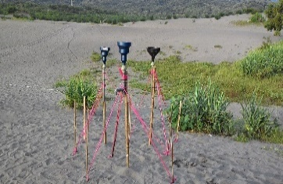
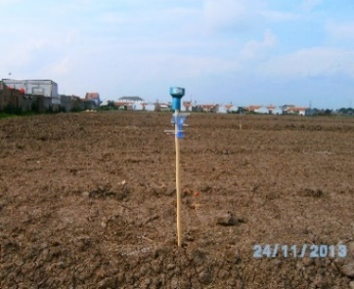
Parameter | Simbol | Kuantitas | Satuan
Jenis Tanah | T | Kompleks Mediteran Merah Kuning dan Grumosol
Kecepatan Angin | U | 1 | m/detik
Kadar Air Tanah | M | 2 | %
Tutupan Lahan | L | 1 | %
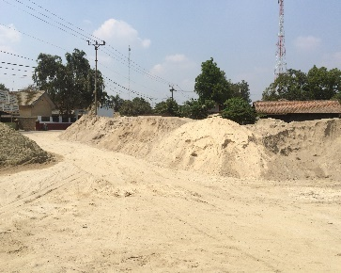
Perhitungan:
Dustfall |  | 661 | ton/km²/bulan

Total Suspended Particulate |  | 246 | µg/Nm³

Baku mutu debu jatuh (pemukiman) * |  |  |  | 10 | ton/km2/bulan
Baku mutu debu jatuh (industri) * |  |  |  | 20 | ton/km2/bulan

Baku mutu TSP (waktu pengukuran 24 jam) * |  |  |  | 230 | µg/Nm³
Baku mutu TSP (waktu pengukuran 1 jam) * |  |  |  | 90 | µg/Nm³
* Peraturan Pemerintah No. 41 Tahun 1999 tentang Pengendalian Pencemaran Udara

